Sheet1
FORWARD KINAMATICS |  |  |  |  |  |  |  |  |  | INVERSE KINAMATICS
 | IN |  |  |  |  |  | OUT |  |  |  | IN
 | degrees | radians
J1 * ( -170 / 170 ) | 0.01 | 0.0001745329252 |  |  |  | X | 323.07999453 |  |  | X | 323.07999453 | J1 | 0.01
J2 * ( -132 / 0 ) | -90 | -1.5707963268 |  |  |  | Y | 0.056386992853 |  |  | Y | 0.056386992853 | J2 | -90
J3 * ( 1 / 140 ) | 90 | 0 |  |  |  | Z | 474.76367318 |  |  | Z | 474.76367318 | J3 | 90
 | 0.01 | 0.0001745329252 |  |  |  | y | -89.98 | -1.5704472609 |  | y | -89.98 | J4 | 0.010000000006 | 0.010000000006 | -179.99
 | 0.01 | 0.0001745329252 |  |  |  | p | 90.01 | 1.5709708597 |  | p | 90.01 | J5 | 0.0099999999843 | 0.0099999999843 | -0.0099999999843 |  | WRIST CONF. | "F"
 | 0.01 | 3.1417671865 |  |  |  | r | -90.009998255 | -1.5709708293 |  | r | -90.009998255 | J6 | 0.0099999999936 | 0.0099999999936 | -179.99 |  | QUADRANT | 1

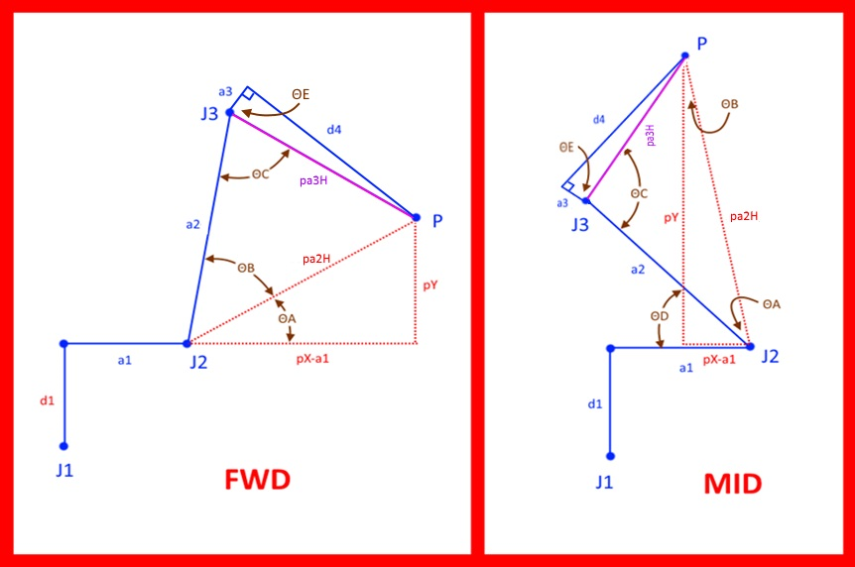
 | DH params |  |  |  |  |  |  |  |  |  |  |  | CALCULATE J2 AND J3 ANGLE ( note that only arm forward and arm mid are used. Arm back config not used and elbow back is not used - to flip robot center of wrist "P" back past center line of J1 would require arm confuration paramaters be attached to each move command )
 | joint | Θ | α | d | a |  | WORK FRAME |  | TOOL FRAME | CALCULATE J1 ANGLE
 | 1 | 0.0001745329252 | -1.5707963268 | 169.77 | 64.2 | X | 0 | X | 0 | J1 ∠ | 0.0001745329252 | 0.01
 | 2 | -1.5707963268 | 0 | 0 | 305 | Y | 0 | Y | 0
 | 3 | 0 | 1.5707963268 | 0 | 0 | Z | 0 | Z | 0 |  | FWD | MID
 | 4 | 0.0001745329252 | -1.5707963268 | -222.63 | 0 | yaw (x) | 0 | yaw (x) | 0 | pX | 286.83 | same
 | 5 | 0.0001745329252 | 1.5707963268 | 0 | 0 | pitch (y) | 0 | pitch (y) | 0 | pY | 305 | same
 | 6 | 3.1417671865 | 0 | -36.25 | 0 | roll (z) | 0 | roll (z) | 0 | pX-a1 | 222.63 | -222.63
 |  |  |  |  |  |  |  |  |  | pa2H | 377.60974153 | 377.60974153
 | WORK FRAME |  |  |  |  |  |  |  |  | pa3H | 222.63 | same
 | 1 | 0 | 0 | 0 |  |  |  |  |  | ΘA | 53.873006909 | 36.126993091
 | 0 | 1 | 0 | 0 |  |  |  |  |  | ΘB | 36.126993091 | -36.126993091
 | 0 | 0 | 1 | 0 |  | R 0-1 |  |  |  | ΘC | 90 | 90
 | 0 | 0 | 0 | 1 |  | 0.99999998477 | -1.0691437128E-20 | -0.00017453292431 | 64.199999022 | ΘD | na | 90
 |  |  |  |  |  | 0.00017453292431 | 6.1257421812E-17 | 0.99999998477 | 0.011205013741 | ΘE | 90 | same
 | J1 |  |  |  |  | 0 | -1 | 6.1257422745E-17 | 169.77 | J2 ∠ | -90 | -90
 | 0.99999998477 | -1.0691437128E-20 | -0.00017453292431 | 64.199999022 |  | 0 | 0 | 0 | 1 | J3 ∠ | 90 | 90
 | 0.00017453292431 | 6.1257421812E-17 | 0.99999998477 | 0.011205013741
 | 0 | -1 | 6.1257422745E-17 | 169.77 |  | R 0-2 |  |  |  | WORK FRAME |  |  |  |  |  |  |  |  | R 0-T
 | 0 | 0 | 0 | 1 |  | 6.126811325E-17 | 0.99999998477 | -0.00017453292431 | 64.199999022 | 1 | 0 | 0 | 0 |  |  |  |  |  | 0.00017447199551 | 0.00017456337542 | -0.99999996954 | 323.07999453
 |  |  |  |  |  | -6.1246730375E-17 | 0.00017453292431 | 0.99999998477 | 0.011205013741 | 0 | 1 | 0 | 0 |  |  |  |  |  | -0.00034909629708 | -0.99999992384 | -0.00017450245991 | 0.056386992853
 | J2 |  |  |  |  | 1 | -6.1257422745E-17 | 6.1257422745E-17 | 474.77 | 0 | 0 | 1 | 0 |  | R 0-1 |  |  |  | -0.99999992385 | 0.00034906584065 | 0.00017453292165 | 474.76367318
 | 6.1257422745E-17 | 1 | 0 | 1.8683513937E-14 |  | 0 | 0 | 0 | 1 | 0 | 0 | 0 | 1 |  | 0.99999998477 | -1.0691437128E-20 | -0.00017453292431 | 64.199999022 | 0 | 0 | 0 | 1
 | -1 | 6.1257422745E-17 | 0 | -305 |  |  |  |  |  |  |  |  |  |  | 0.00017453292431 | 6.1257421812E-17 | 0.99999998477 | 0.011205013741
 | 0 | 0 | 1 | 0 |  | R 0-3 |  |  |  | J1 |  |  |  |  | 0 | -1 | 6.1257422745E-17 | 169.77 | R 0-T offset by work frame
 | 0 | 0 | 0 | 1 |  | 6.126811325E-17 | -0.00017453292431 | -0.99999998477 | 64.199999022 | 0.99999998477 | -1.0691437128E-20 | -0.00017453292431 | 64.199999022 |  | 0 | 0 | 0 | 1 | -0.00017447199551 | 0.00017456337542 | -0.99999996954 | 323.07999453
 |  |  |  |  |  | -6.1246730375E-17 | 0.99999998477 | -0.00017453292431 | 0.011205013741 | 0.00017453292431 | 6.1257421812E-17 | 0.99999998477 | 0.011205013741 |  |  |  |  |  | -0.00034909629708 | -0.99999992384 | -0.00017450245991 | 0.056386992853
 | J3 |  |  |  |  | 1 | 6.1257422745E-17 | 6.1257422745E-17 | 474.77 | 0 | -1 | 6.1257422745E-17 | 169.77 |  | R 0-2 |  |  |  | -0.99999992385 | 0.00034906584065 | 0.00017453292165 | 474.76367318
 | 1 | 0 | 0 | 0 |  | 0 | 0 | 0 | 1 | 0 | 0 | 0 | 1 |  | 2.8331271479E-16 | 0.99999998477 | -0.00017453292431 | 64.199999022 | 0 | 0 | 0 | 1
 | 0 | 6.1257422745E-17 | -1 | 0 |  |  |  |  |  |  |  |  |  |  | -6.1207976281E-17 | 0.00017453292431 | 0.99999998477 | 0.011205013741
 | 0 | 1 | 6.1257422745E-17 | 0 |  | R 0-4 |  |  |  | J2 |  |  |  |  | 1 | -2.8330202767E-16 | 6.1257422745E-17 | 474.77 | TOOL FRAME
 | 0 | 0 | 0 | 1 |  | -3.0461741608E-08 | 0.99999998477 | -0.00017453292166 | 286.82999563 | 2.8330202767E-16 | 1 | 0 | 8.6407118439E-14 |  | 0 | 0 | 0 | 1 | 1 | 0 | 0 | 0
 |  |  |  |  |  | 0.00017453292165 | 0.00017453292431 | 0.99999996954 | 0.050061278681 | -1 | 2.8330202767E-16 | 0 | -305 |  |  |  |  |  | 0 | 1 | 0 | 0
 | J4 |  |  |  |  | 0.99999998477 | -6.1268114183E-17 | -0.00017453292431 | 474.77 | 0 | 0 | 1 | 0 |  | R 0-3 |  |  |  | 0 | 0 | 1 | 0
 | 0.99999998477 | -1.0691437128E-20 | -0.00017453292431 | 0 |  | 0 | 0 | 0 | 1 | 0 | 0 | 0 | 1 |  | 2.8331271479E-16 | -0.00017453292431 | -0.99999998477 | 64.199999022 | 0 | 0 | 0 | 1
 | 0.00017453292431 | 6.1257421812E-17 | 0.99999998477 | 0 |  |  |  |  |  |  |  |  |  |  | -6.1207976281E-17 | 0.99999998477 | -0.00017453292431 | 0.011205013741
 | 0 | -1 | 6.1257422745E-17 | -222.63 |  | R 0-5 (center spherica wrist) |  |  |  | J3 |  |  |  |  | 1 | 6.1257422745E-17 | 2.8330202767E-16 | 474.77 | INVERT TOOL FRAME
 | 0 | 0 | 0 | 1 |  | 0.00017450245991 | -0.00017453292165 | -0.99999996954 | 286.82999563 | 1 | 0 | 0 | 0 |  | 0 | 0 | 0 | 1 | 1 | 0 | 0 | 0
 |  |  |  |  |  | 0.00017456338074 | 0.99999996954 | -0.00017450245991 | 0.050061278681 | 0 | 6.1257422745E-17 | -1 | 0 |  |  |  |  |  | 0 | 1 | 0 | 0
 | J5 |  |  |  |  | 0.99999996954 | -0.00017453292431 | 0.00017453292166 | 474.77 | 0 | 1 | 6.1257422745E-17 | 0 |  | R 0-3 transposed |  |  |  | 0 | 0 | 1 | 0
 | 0.99999998477 | -1.0691437128E-20 | 0.00017453292431 | 0 |  | 0 | 0 | 0 | 1 | 0 | 0 | 0 | 1 |  | 2.8331271479E-16 | -6.1207976281E-17 | 1 |  | 0 | 0 | 0 | 1
 | 0.00017453292431 | 6.1257421812E-17 | -0.99999998477 | 0 |  |  |  |  |  |  |  |  |  |  | -0.00017453292431 | 0.99999998477 | 6.1257422745E-17
 | 0 | 1 | 6.1257422745E-17 | 0 |  | R 0-6 |  |  |  |  |  |  |  |  | -0.99999998477 | -0.00017453292431 | 2.8330202767E-16 |  | R 0-6
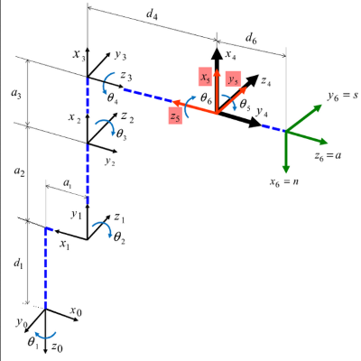
 | 0 | 0 | 0 | 1 |  | -0.00017447199551 | 0.00017456337542 | -0.99999996954 | 323.07999453 |  |  |  |  |  |  |  |  |  | -0.00017447199551 | 0.00017456337542 | -0.99999996954 | 323.07999453
 |  |  |  |  |  | -0.00034909629708 | -0.99999992384 | -0.00017450245991 | 0.056386992853 |  |  |  |  |  |  |  |  |  | -0.00034909629708 | -0.99999992384 | -0.00017450245991 | 0.056386992853
 | J6 |  |  |  |  | -0.99999992385 | 0.00034906584065 | 0.00017453292166 | 474.76367318 |  |  |  |  |  |  |  |  |  | -0.99999992385 | 0.00034906584065 | 0.00017453292165 | 474.76367318
 | -0.99999998477 | 0.00017453292431 | 0 | 0 |  | 0 | 0 | 0 | 1 |  |  |  |  |  |  |  |  |  | 0 | 0 | 0 | 1
 | -0.00017453292431 | -0.99999998477 | 0 | 0
 | 0 | 0 | 1 | -36.25 |  | R 0-T |  |  |  |  |  |  |  |  |  |  |  |  | REMOVE R 0-6
 | 0 | 0 | 0 | 1 |  | -0.00017447199551 | 0.00017456337542 | -0.99999996954 | 323.07999453 |  |  |  |  |  |  |  |  |  | -1 | 1.2251484549E-16 | 0 | 0
 |  |  |  |  |  | -0.00034909629708 | -0.99999992384 | -0.00017450245991 | 0.056386992853 |  |  |  |  |  |  |  |  |  | -1.2251484549E-16 | -1 | 0 | 0
 | TOOL FRAME |  |  |  |  | -0.99999992385 | 0.00034906584065 | 0.00017453292166 | 474.76367318 |  |  |  |  |  |  |  |  |  | 0 | 0 | 1 | 36.25
 | 1 | 0 | 0 | 0 |  | 0 | 0 | 0 | 1 |  |  |  |  |  |  |  |  |  | 0 | 0 | 0 | 1
 | 0 | 1 | 0 | 0
 | 0 | 0 | 1 | 0 |  |  |  |  |  |  |  |  |  |  |  |  |  |  | R 0-5 (center spherica wrist)
 | 0 | 0 | 0 | 1 |  |  |  |  |  |  |  |  |  |  |  |  |  |  | 0.00017447199551 | -0.00017456337542 | -0.99999996954 | 286.82999563
 |  |  |  |  |  |  |  |  |  |  |  |  |  |  |  |  |  |  | 0.00034909629708 | 0.99999992384 | -0.00017450245991 | 0.050061278681
 |  |  |  |  |  |  |  |  |  |  |  |  |  |  |  |  |  |  | 0.99999992385 | -0.00034906584065 | 0.00017453292165 | 474.77
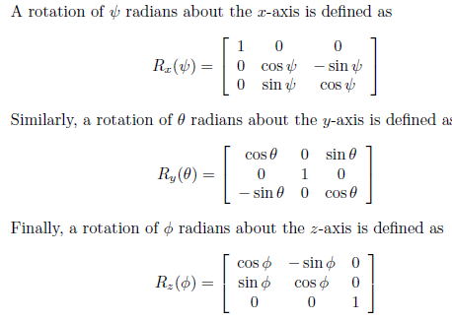
 |  |  |  |  |  |  |  |  |  |  |  |  |  |  |  |  |  |  | 0 | 0 | 0 | 1

 |  |  |  |  |  |  |  |  |  |  |  |  |  |  |  |  |  |  | R 3-6 (spherical wrist orietation)
 |  |  |  |  |  |  |  |  |  |  |  |  |  |  |  |  |  |  | 0.99999992385 | -0.00034906584065 | 0.00017453292165
 |  |  |  |  |  |  |  |  |  |  |  |  |  |  |  |  |  |  | 0.00034906584065 | 0.99999993908 | 3.0461741689E-08
 |  |  |  |  |  |  |  |  |  |  |  |  |  |  |  |  |  |  | -0.00017453292165 | 3.046174165E-08 | 0.99999998477

